Sheet1
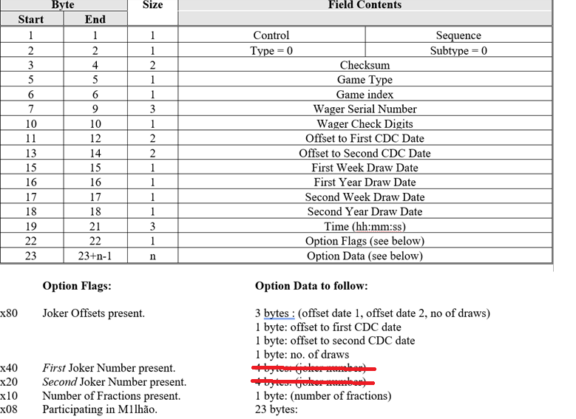
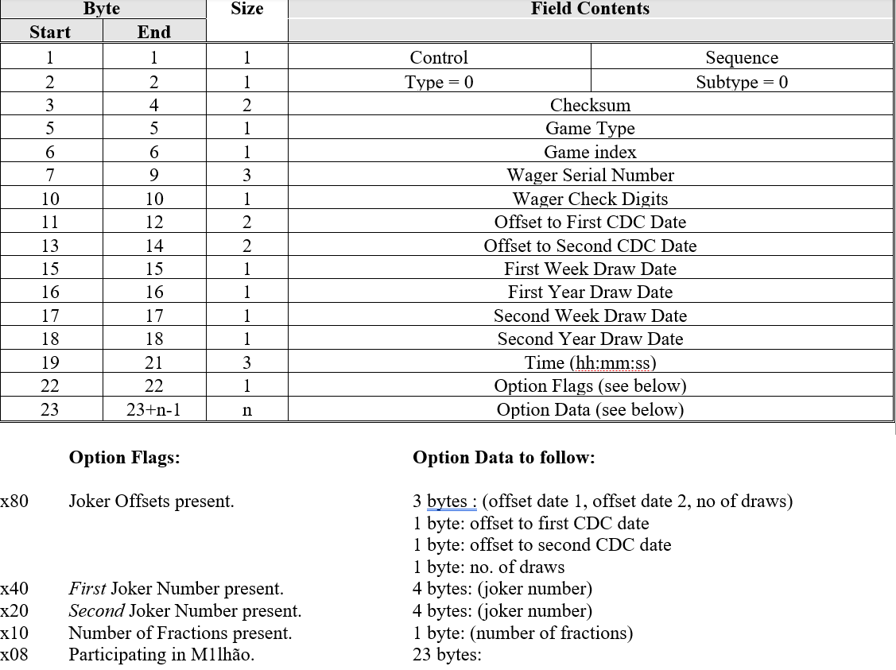
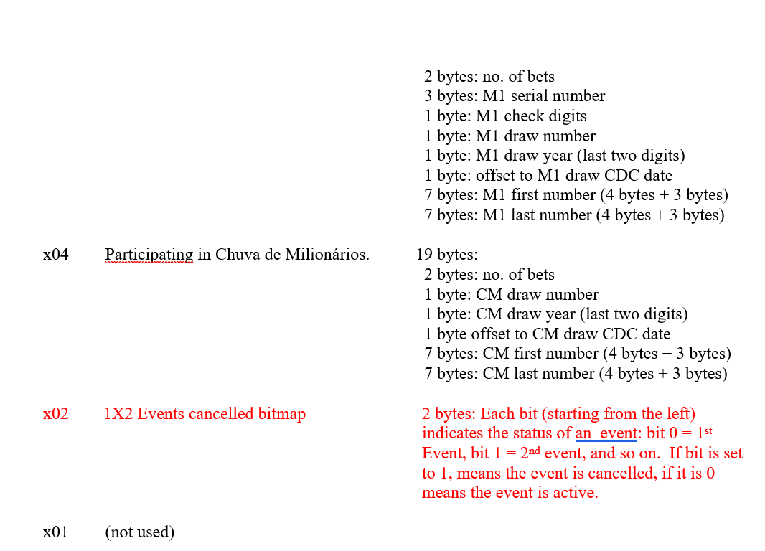

Joker no longer in use flag X20 and x40 and the 8 bytes data free

IF(KICKER.AND.INTLEN.GT.44) SIZE = 3 | ignore kicker no longer in use by SCML
IF(SUBTYP.EQ.TSPT.AND.INTLEN.GT.50) SIZE = 3
IF(INTLEN.GT.60) SIZE = 3

